Baby shower
 | 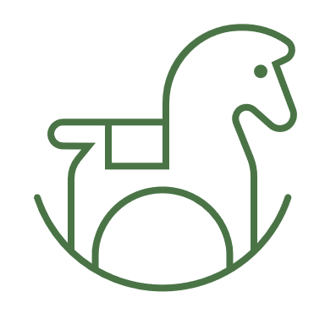 Baby shower
 | EVENT PLANNNG

 | For: Juliet Childres |  | When: 10/13/2023 at 3PM |  | Where: 123 Main St. Houston, Texas

 | GUESTS
 | Name | Relationship | RSVP received | RSVP response | No. in party | Address
 | Kerstin Mark | Sister | Yes | Yes | 1 | 432 1st Avenue
 | Michelle Wattz | Friend | Yes | No | 0 | 78 90th NW Suite 10
 | Janessa Bughatti | Friend | Yes | Yes | 1 | 222 2nd Avenue
Table title is in cell at right. | Total |  |  |  | 2

 | FOOD/DRINKS |  |  | TASK LIST
 | Item | Cost |  | Task | Time | Notes
 | Vegetable platter | $14.95 |  | Send invitations | 2023-09-01
 | 2 liters sparkling water | $2.19 |  | Shop for decorations | 2023-10-01
 | Total | $17.14 |  | Organize music | 2023-10-10
 |  |  |  | Shop for groceries | 2023-10-12
 | DECORATIONS |  |  | Bake | 2023-10-13
 | Item | Cost |  | Borrow chairs, hangers | 2023-10-10 | Borrow from neighbors
 | Helium balloons | $12.00 |  | Put up decorations | 2023-10-13 | Birgit will help
 | Pennant flags | $9.00 |  | Pick up flowers | 2023-10-12 | Stop by on way home from work
 | Total | $21.00 |  | Prepare all other food | 2023-10-12
 |  |  |  | Rearrange furniture | 2023-10-13
 | OTHER SUPPLIES |  |  | Lay out food | 14:00:00
 | Item | Cost |  | Light candles | 14:45:00
 | Paper plates | $5.96 |  | Final walkthrough | 14:50:00
 | Guest book | $13.99 |  | Play party music | 15:00:00
 | Total | $19.95 |  | Welcome guests | 15:00:00

